Sheet1
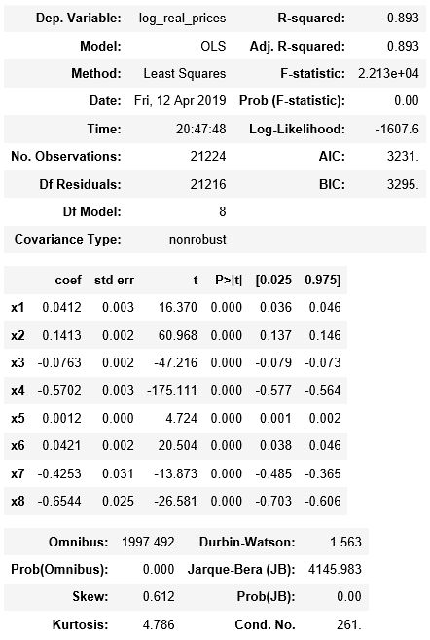
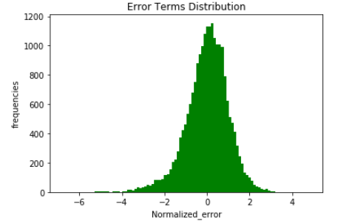

Highlight:
1: Explanatory power: Higher R squared
2. Independent variable joint significance: Higher F test
3. Independent variable individual significance: Higher individual T test
4. Distribution of error term: Modestly skewned and leptokurtic

